Results scheduler
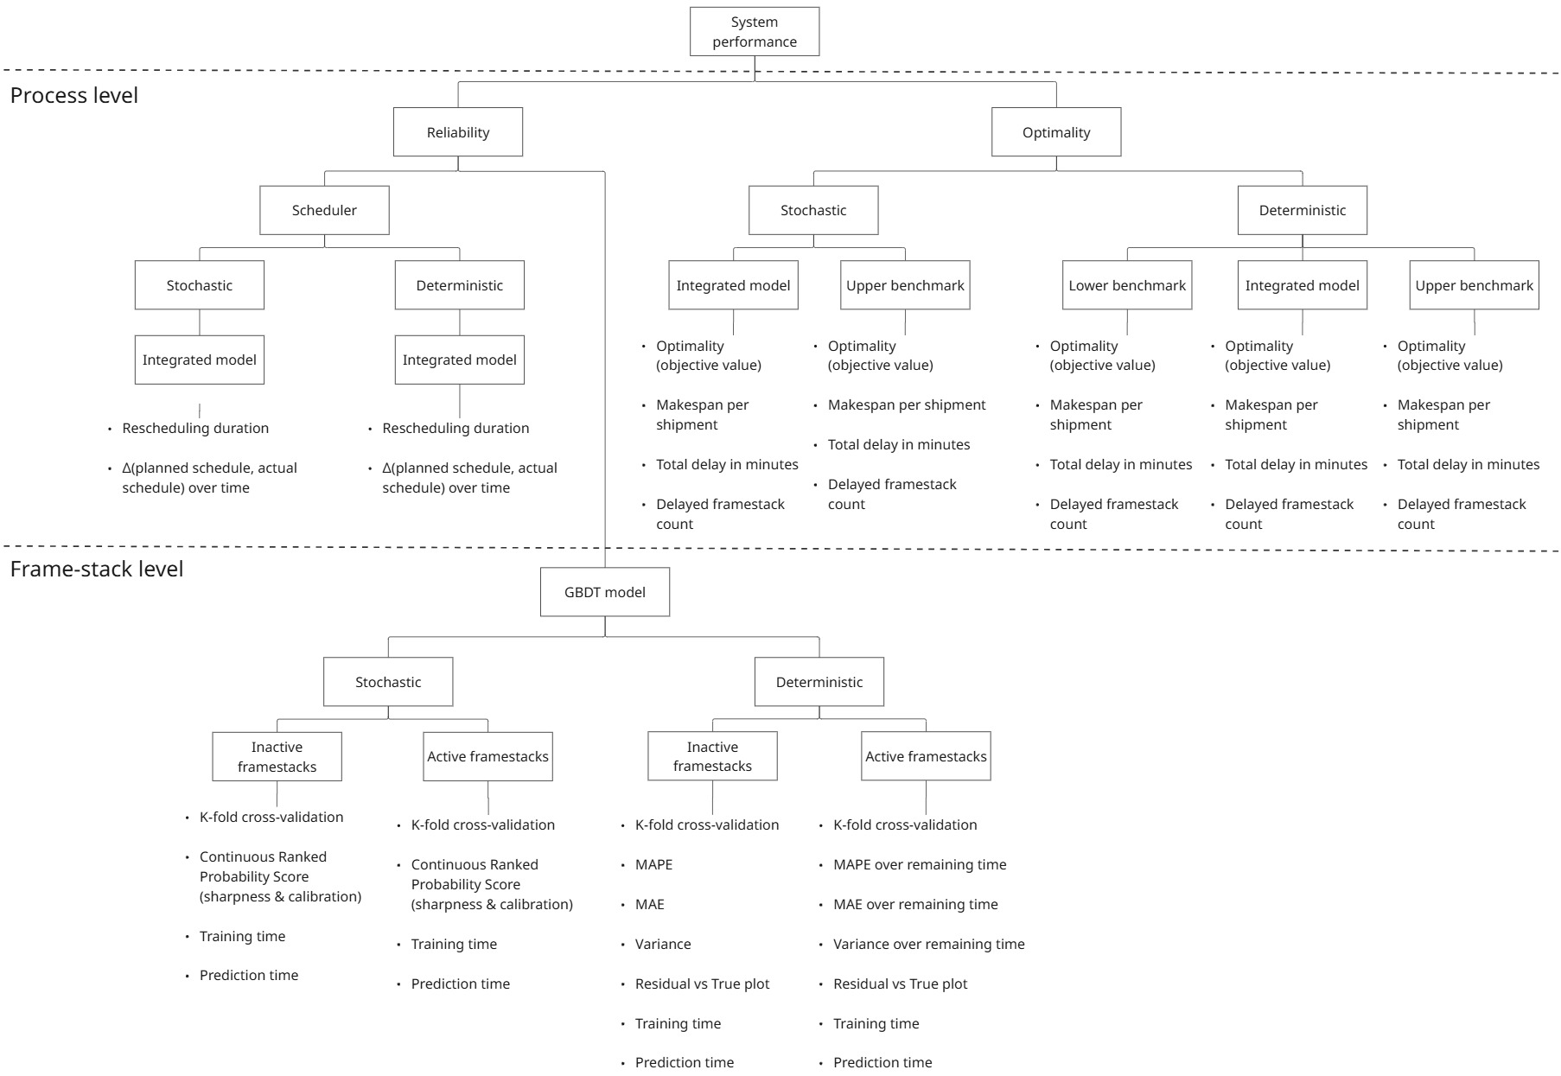
17-06-2025: OPTIMALITY - DETERMINISTIC - DEC 5
Metric | Lower bound benchmark | Thesis model implemented | Upper bound benchmark
Objective | -0.4825 | 0.7386 | 3.782
Avg. makespan per shipment (min) | 138.62 | 137.23 | 149.77
Total delay (min) | 890 | 851 | 1332
Delayed frame-stack count | 30 | 29 | 35

17-06-2025: OPTIMALITY - DETERMINISTIC - JAN 24
Metric | Lower bound benchmark | Thesis model implemented | Upper bound benchmark
Objective | -3.959 | -0.8555 | 12.52
Avg. makespan per shipment (min) | 207.55 | 197.2 | 202.5
Total delay (min) | 1525 | 1029 | 320
Delayed frame-stack count | 62 | 49 | 15

